Cover page English
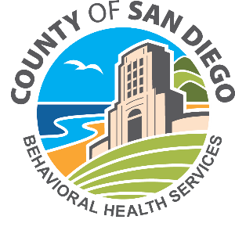
THE COUNTY OF SAN DIEGO BEHAVIORAL HEALTH SERVICES PROVIDER DIRECTORY

Mental Health Plan (MHP) Specialty Mental Health and Drug Medi‐Cal Organized Delivery System (DMC‐ODS) Services Specialty mental health services and Drug Medi‐Cal Organized Delivery System (DMC‐ODS) are provided through the County of San Diego Mental Health Plan, which are separate from your physical health care. The Mental Health Plan and Drug Medi‐Cal Organized Delivery System (DMC‐ODS) services are committed to providing quality mental health and DMC-ODS services to eligible adults, older adults, and children experiencing serious and persistent mental health problems and or substance use disorder issues. Mental health services and DMC-ODS are confidential and are based on the belief that people can, and do, recover from mental illness and substance use disorders. Even though asking for help with mental health problems or substance use issues may be a challenge, help is just a phone call away. COMMONLY ASKED QUESTIONS: When does a person need help? When they experience severe feelings of sadness, hopelessness, severe anxiety or panic attacks and/or crying spells. When they exhibit extreme mood swings with impulsive dangerous or bizarre behavior. When there are serious behavior problems with a child. When there are mental health problems affected by substance abuse. When they experience suicidal thoughts and self harm When they start giving away their belongings. When they are threatening to kill or hurt themselves or others. When they are hearing or seeing things others believe are not there * Do I have to pay for services? Services are available for individuals and families with Medi-Cal, limited insurance or no insurance. Programs may charge a fee for services based on an individual's income and ability to pay. No one will be denied services based on ability to pay. Client fees may be waived for Medi-Cal eligible persons participating in Medi-Cal certified services (except for required share of cost). *How can I search the printed directory? Press Ctrl and F

 |  | MENTAL HEALTH TYPES OF SERVICES AVAILABLE |  |  |  | DMC‐ODS TYPES OF SERVICES AVAILABLE |  | Services are located throughout San Diego County. The Directory lists the services locations for each program in the column called “Region.”
 |  | Mental health assessments Group and Individual rehabilitation Group and Individual therapy Crisis Intervention Crisis Stabilization 24 hour psychiatric emergency care Medication support services Integrated services for mental health and substance abuse Client and family peer support services Inpatient psychiatric care Adult residential care Case Management and conservatorship Services to homeless persons Recovery Clubhouses Vocational and employment services Children’s outpatient school-based services Short term residential therapeutic services Day treatment, wraparound and therapeutic behavioral services for children Therapeutic Foster Care services |  |  |  | Brief Outpatient for At‐Risk Youth and Young Adults Outpatient Treatment Intensive Outpatient Treatment Short‐Term Residential Treatment Withdrawal Management (formerly Detox) Medication‐Assisted Treatment Opioid Treatment Programs Case Management Recovery Support Services |  | 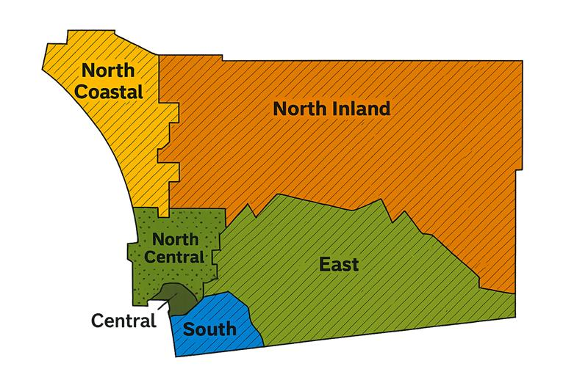

 | 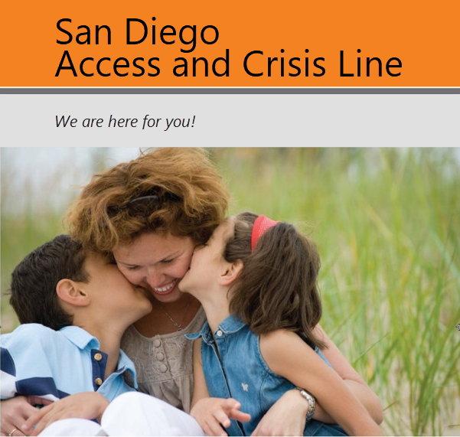 |  |  |  | The San Diego Access and Crisis Line (ACL) is operated by OptumHealth and has offered San Diego County residents free, confidential counseling and community resources since 1997. Free, confidential support in all languages 7 days a week / 24 hours a day We are here for you! 888-724-7240 619-641-6992 TTY |  | About Our Services • Free, confidential support in all languages • Crisis Intervention • Suicide Prevention • Referrals for mental health and/or alcohol and drug needs • Referrals to other related resources Who Can Call • Anyone who is struggling with issues such as depression, anxiety, loss or anger • Family members or friends who are concerned about someone • People who are thinking about harming themselves or others • Professionals seeking resources for their clients

 | You have the right to get help and information in your language at no cost. To request an interpreter, call (888) 724-7240 , TTY 711. This letter is also available in other formats like large print. To request the document in another format, please call (888) 724-7240 , TTY 711.
 | 1 |  | Spanish | Tiene derecho a obtener ayuda e información en su idioma sin costo alguno. Para solicitar un intérprete, llame al (888) 724-7240 y presione el dos (2). TTY 711
 | 2 |  | Chinese | 您有權利免費以您的母語得到幫助和訊息。洽詢一位翻譯員，請撥電話(888) 724-7240，再按 0。聽力語言殘障服務專線 711
 | 3 |  | Vietnamese | Quý vị có quyền được giúp đỡ và cấp thông tin bằng ngôn ngữ của quý vị miễn phí. Để yêu cầu được thông dịch viên giúp đỡ, vui lòng gọi (888) 724-7240, bấm số 0. TTY 711
 | 4 |  | Tagalog | May karapatan kang makatanggap ng tulong at impormasyon sa iyong wika nang walang bayad. Upang humiling ng tagasalin, tumawag sa (888) 724-7240 pindutin ang 0. TTY 711
 | 5 |  | Korean | 귀하는 도움과 정보를 귀하의 언어로 비용 부담없이 얻을 수 있는 권리가 있습니다. 통역사를 요청하기 위해서는 (888) 724-7240로 전화하여 0번을 누르십시오. TTY 711
 | 6 |  | Armenian | Դուք իրավունք ունեք անվճար օգնություն և տեղեկություններ ստանալու Ձեր նախընտրած լեզվով։ Թարգմանիչ պահանջէլու համար զանգահարե՛ք (888) 724-7240 սեղմե՛ք 0։ TTY 711
 | 7 |  | Persian | شما حق دارید که کمک و اطلاعات به زبان خود را به طور رایگان دریافت نمایید. برای درخواست مترجم شفاهی با شماره 7240 - 724 (888) تماس حاصل نموده و 0 را فشار دهید. TTY 711
 | 8 |  | Russian | Вы имеете право на бесплатное получение помощи и информации на вашем языке. Чтобы подать запрос переводчика позвоните по телефону (888) 724-7240 и нажмите 0. Линия TTY 711
 | 9 |  | Japanese | "ご希望の言語でサポートを受けたり、情報を入手したりすることができます。料金はかかりません。通訳をご希望の場合は、
 | 10 |  | Arabic | لك الحق في الحصول على المساعدة والمعلومات بلغتك دون تحمل أي تكلفة. لطلب مترجم فوري، اتصل بالرقم 7240 - 724 (888) ، واضغط على 0. الهاتف النصي TTY 711
 | 11 |  | Panjabi | ਤੁਹਾਡੇ ਕੋਲ ਆਪਣੀ ਭਾਸ਼ਾ ਵਿੱਚ ਸਹਾਇਤਾ ਅਤੇ ਜਾਣਕਾਰੀ ਮੁਫ਼ਤ ਪ੍ਰਾਪਤ ਕਰਨ ਦਾ ਅਧਿਕਾਰ ਹੈ| ਦੁਭਾਸ਼ੀਏ ਲਈ (888) 724-7240 ਫ਼ੋਨ ਨੰਬਰ ਟੀਟੀਵਾਈ 711 ਤੇ ਕਾੱਲ ਕਰੋ, 0 ਦੱਬੋ|
 | 12 |  | Mon-Khmer, Cambodian | អ្នកមានសិទ្ធិទទួលជំនួយ និងព័ត៌មាន ជាភាសារបស់អ្នក ដោយមិនអស់ថ្លៃ។ ដើម្បីស្នើសុំអ្នកបកប្រែ សូមហៅលេខ (888) 724-7240 រួចហើយ ចុចលេខ 0។ TTY 711
 | 13 |  | Hmong | Koj muaj cai tau kev pab thiab tau cov ntaub ntawv sau ua koj hom lus pub dawb. Yog xav tau ib tug neeg txhais, hu rau (888) 724-7240, nias 0. TTY 711
 | 14 |  | Hindi | आप के पास अपनी भाषा में सहायता एवं जानकारी नि:शुल्क प्राप्त करने का अधिकार है। दुभाषिए के लिए (888) 724-7240 पर फ़ोन करें, 0 दबाएं। TTY 711
 | 15 |  | Thai | คุณมีสิทธิที่จะได้รับความช่วยเหลือและข้อมูลในภาษาของคุณได้โดยไม่มีค่าใช้จ่าย หากต้องการขอล่ามแปลภาษา โปรดโทรศัพท์ถึงหมายเลข (888)724-7240 และกด 0 สำหรับผู้ที่มีความบกพร่องทางการได้ยิ นหรือการพูด โปรดโทรฯถึงหมายเลข 711
 | 16 |  | Somali | Waxaad xaq u leedahay inaad ku hesho caawimo iyo macluumaadka luqadaada kharash la'aan. Si aad u codsato turjumaan, wac (888) 724-7240 oo taabo laba (2). TTY 711.

